1_Accreditation
ACCREDITATION LIST |  |  | Form 1
Submission deadline: 10 January 2019
Al Ain 2019 World Shooting Para Sport World Cup
13-24 February 2019

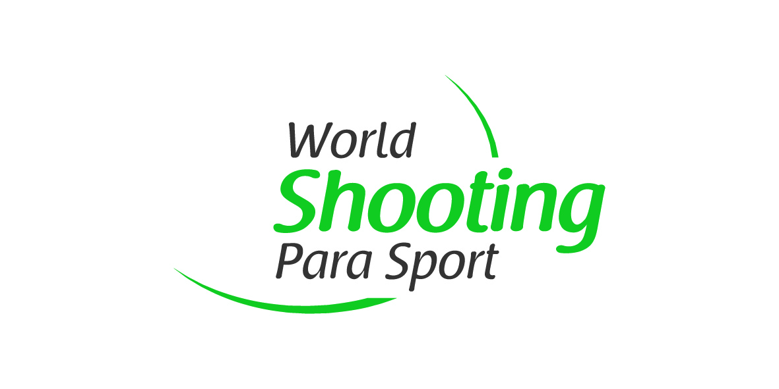
NPC
Contact Person
Email
Phone number

LAST NAME | First Name | Gender (select from drop-down list) | Role Title (select from drop-down list) | Male | AT - Athlete
 |  |  |  | Female | TO - Team Leader
 |  |  |  |  | TO - Head Coach
 |  |  |  |  | TO - Coach
 |  |  |  |  | TO - Team Official
 |  |  |  |  | TO - Staff
 |  |  |  |  | TO - Assistant
 |  |  |  |  | TO - Loader
 |  |  |  |  | TO - Medical Staff
 |  |  |  |  | NPC Representative

 |  |  |  |  |  | 0

